Analysis dashboard
Uber Ride Status Analysis
Ride Status Trends

Status | Count of Request id
Cancelled | 1264
No Cars Available | 2650
Trip Completed | 2831
Grand Total | 6745

Ride Status Distribution Analysis

dashboard backupsheet
Uber Ride Status Analysis
 | Total
Cancelled | 1264
No Cars Available | 2650
Trip Completed | 2831
Ride Status Trends
 | Total
Cancelled | 1264
No Cars Available | 2650
Trip Completed | 2831
Ride Status Distribution Analysis
 | Total
Cancelled | 1264
No Cars Available | 2650
Trip Completed | 2831
Uber Request Analysis DashBoard
Status | Count of Request id
Cancelled | 1264
No Cars Available | 2650
Trip Completed | 2831
Grand Total | 6745

Ride Status Summery

Uber Request By Pickup Point
 | Total
Airport | 3238
City | 3507
Row Labels | Count of Request id
Airport | 3238
City | 3507
Grand Total | 6745

Pickpoint summary

Hour wise Analysis
 | Total
0 | 99
1 | 85
2 | 99
3 | 92
4 | 203
5 | 445
6 | 398
7 | 406
8 | 423
9 | 431
10 | 243
11 | 171
12 | 184
13 | 160
14 | 136
15 | 171
16 | 159
17 | 418
18 | 510
19 | 473
20 | 492
21 | 449
22 | 304
23 | 194
Hour | Count of Request id
0 | 99
1 | 85
2 | 99
3 | 92
4 | 203
5 | 445
6 | 398
7 | 406
8 | 423
9 | 431
10 | 243
11 | 171
12 | 184
13 | 160
14 | 136
15 | 171
16 | 159
17 | 418
18 | 510
19 | 473
20 | 492
21 | 449
22 | 304
23 | 194
Grand Total | 6745

Hour Wise Request Summery

Status vs Pickup Point Analysis
 | Cancelled | No Cars Available | Trip Completed
Airport | 198 | 1713 | 1327
City | 1066 | 937 | 1504
Count of Request id | Column Labels
Row Labels | Cancelled | No Cars Available | Trip Completed | Grand Total
Airport | 198 | 1713 | 1327 | 3238
City | 1066 | 937 | 1504 | 3507
Grand Total | 1264 | 2650 | 2831 | 6745

Satatus vs PickupPoint Summery

uberAnalysisDashBoard
Ube rRequest Analysis Dashboard

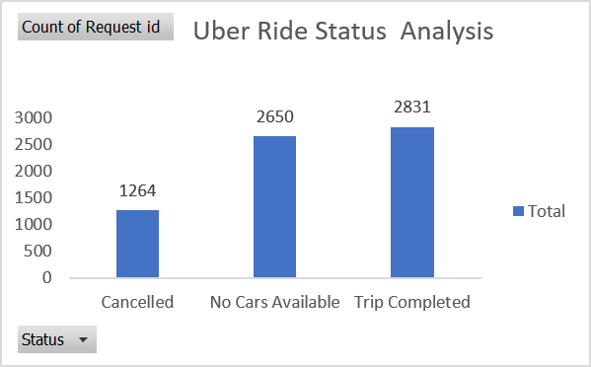
Ride Status Trends
 | Total
Cancelled | 1264
No Cars Available | 2650
Trip Completed | 2831
Ride Status Distribution Analysis
 | Total
Cancelled | 1264
No Cars Available | 2650
Trip Completed | 2831

Uber Request By Pickup Point
 | Total
Airport | 3238
City | 3507
Status vs Pickup Point Analysis
 | Cancelled | No Cars Available | Trip Completed
Airport | 198 | 1713 | 1327
City | 1066 | 937 | 1504
Hour wise Analysis
 | Total
0 | 99
1 | 85
2 | 99
3 | 92
4 | 203
5 | 445
6 | 398
7 | 406
8 | 423
9 | 431
10 | 243
11 | 171
12 | 184
13 | 160
14 | 136
15 | 171
16 | 159
17 | 418
18 | 510
19 | 473
20 | 492
21 | 449
22 | 304
23 | 194

pickup point analysis
Uber Request By Pickup Point

Row Labels | Count of Request id
Airport | 3238
City | 3507
Grand Total | 6745

Hourwise Analysis
Hour wise Analysis
Hour | Count of Request id
0 | 99
1 | 85
2 | 99
3 | 92
4 | 203
5 | 445
6 | 398
7 | 406
8 | 423
9 | 431
10 | 243
11 | 171
12 | 184
13 | 160
14 | 136
15 | 171
16 | 159
17 | 418
18 | 510
19 | 473
20 | 492
21 | 449
22 | 304
23 | 194
Grand Total | 6745

Hour Wise Request Summery

status vs pickup point Analysis
Status vs Pickup Point Analysis

Count of Request id | Column Labels
Row Labels | Cancelled | No Cars Available | Trip Completed | Grand Total
Airport | 198 | 1713 | 1327 | 3238
City | 1066 | 937 | 1504 | 3507
Grand Total | 1264 | 2650 | 2831 | 6745

